Radial Opt 256
Spokes | SamplesPerSpoke | PSNR | SSIM | Time | #Samples | #PerSpoke |  | PSNR (dB) Heatmap
16 | 32 | 10.99 | 0.1194 | 14920 | 512 | 512 | 9.52909 | 11.7947 | 16.576 | 20.8785 | 26.1544 | 30.552
32 | 32 | 12.59 | 0.2077 | 14197 | 1024 | 256 | 9.75963 | 12.1895 | 17.2121 | 21.4814 | 25.8743 | 30.8982
64 | 32 | 14.03 | 0.267 | 15178 | 2048 | 128 | 8.84211 | 10.4532 | 13.1145 | 14.3705 | 14.6759 | 14.0364
128 | 32 | 14.23 | 0.2929 | 18501 | 4096 | 64 | 9.8939 | 11.77 | 13.68 | 14.6507 | 14.4162 | 14.0187
256 | 32 | 14.27 | 0.3008 | 24803 | 8192 | 32 | 10.99 | 12.59 | 14.03 | 14.23 | 14.27 | 14.05
512 | 32 | 14.05 | 0.3115 | 37386 | 16384 |  | 16 | 32 | 64 | 128 | 256 | 512 | #Spokes
16 | 64 | 9.8939 | 0.187436 | 14091 | 1024
32 | 64 | 11.77 | 0.341022 | 15220 | 2048
64 | 64 | 13.68 | 0.459373 | 18204 | 4096 | #PerSpoke |  | SSIM Heatmap
128 | 64 | 14.6507 | 0.517598 | 24489 | 8192 | 512 | 0.247446 | 0.512673 | 0.766623 | 0.894462 | 0.962701 | 0.989352
256 | 64 | 14.4162 | 0.516607 | 36417 | 16384 | 256 | 0.260701 | 0.525977 | 0.769819 | 0.89144 | 0.961685 | 0.989763
512 | 64 | 14.0187 | 0.505328 | 61218 | 32768 | 128 | 0.195918 | 0.41574 | 0.648478 | 0.748052 | 0.777075 | 0.755652
16 | 128 | 8.84211 | 0.195918 | 15887 | 2048 | 64 | 0.187436 | 0.341022 | 0.459373 | 0.517598 | 0.516607 | 0.505328
32 | 128 | 10.4532 | 0.41574 | 18865 | 4096 | 32 | 0.1194 | 0.2077 | 0.267 | 0.2929 | 0.3008 | 0.3115
64 | 128 | 13.1145 | 0.648478 | 24942 | 8192 |  | 16 | 32 | 64 | 128 | 256 | 512 | #Spokes
128 | 128 | 14.3705 | 0.748052 | 36516 | 16384
256 | 128 | 14.6759 | 0.777075 | 60885 | 32768 | #PerSpoke |  | Computation-Time (ms) Heatmap
512 | 128 | 14.0364 | 0.755652 | 109534 | 65536 | 512 | 24727 | 36610 | 61119 | 109670 | 206893 | 400552
16 | 256 | 9.75963 | 0.260701 | 18716 | 4096 | 256 | 18716 | 24663 | 36659 | 60957 | 109732 | 206652
32 | 256 | 12.1895 | 0.525977 | 24663 | 8192 | 128 | 15887 | 18865 | 24942 | 36516 | 60885 | 109534
64 | 256 | 17.2121 | 0.769819 | 36659 | 16384 | 64 | 14091 | 15220 | 18204 | 24489 | 36417 | 61218
128 | 256 | 21.4814 | 0.89144 | 60957 | 32768 | 32 | 14920 | 14197 | 15178 | 18501 | 24803 | 37386
256 | 256 | 25.8743 | 0.961685 | 109732 | 65536 |  | 16 | 32 | 64 | 128 | 256 | 512 | #Spokes
512 | 256 | 30.8982 | 0.989763 | 206652 | 131072
# Samples Vs PSNR
# Samples Vs SSIM
16 | 512 | 9.52909 | 0.247446 | 24727 | 8192
32 | 512 | 11.7947 | 0.512673 | 36610 | 16384
64 | 512 | 16.576 | 0.766623 | 61119 | 32768
128 | 512 | 20.8785 | 0.894462 | 109670 | 65536
256 | 512 | 26.1544 | 0.962701 | 206893 | 131072
512 | 512 | 30.552 | 0.989352 | 400552 | 262144

 |  |  |  |  |  | Spokes | SamplesPerSpoke | PSNR | SSIM | Time | #Samples
 |  |  |  |  |  | 16 | 32 | 10.99 | 0.1194 | 14920 | 512
 |  |  |  |  |  | 16 | 64 | 9.8939 | 0.187436 | 14091 | 1024
 |  |  |  |  |  | 16 | 128 | 8.84211 | 0.195918 | 15887 | 2048
 |  |  |  |  |  | 16 | 256 | 9.75963 | 0.260701 | 18716 | 4096
 |  |  |  |  |  | 16 | 512 | 9.52909 | 0.247446 | 24727 | 8192
 |  |  |  |  |  | 32 | 32 | 12.59 | 0.2077 | 14197 | 1024
 |  |  |  |  |  | 32 | 64 | 11.77 | 0.341022 | 15220 | 2048
 |  |  |  |  |  | 32 | 128 | 10.4532 | 0.41574 | 18865 | 4096
 |  |  |  |  |  | 32 | 256 | 12.1895 | 0.525977 | 24663 | 8192
 |  |  |  |  |  | 32 | 512 | 11.7947 | 0.512673 | 36610 | 16384
 |  |  |  |  |  | 64 | 32 | 14.03 | 0.267 | 15178 | 2048
 |  |  |  |  |  | 64 | 64 | 13.68 | 0.459373 | 18204 | 4096
 |  |  |  |  |  | 64 | 128 | 13.1145 | 0.648478 | 24942 | 8192
 |  |  |  |  |  | 64 | 256 | 17.2121 | 0.769819 | 36659 | 16384
 |  |  |  |  |  | 64 | 512 | 16.576 | 0.766623 | 61119 | 32768
 |  |  |  |  |  | 128 | 32 | 14.23 | 0.2929 | 18501 | 4096
 |  |  |  |  |  | 128 | 64 | 14.6507 | 0.517598 | 24489 | 8192
 |  |  |  |  |  | 128 | 128 | 14.3705 | 0.748052 | 36516 | 16384
 |  |  |  |  |  | 128 | 256 | 21.4814 | 0.89144 | 60957 | 32768
 |  |  |  |  |  | 128 | 512 | 20.8785 | 0.894462 | 109670 | 65536
 |  |  |  |  |  | 256 | 32 | 14.27 | 0.3008 | 24803 | 8192
 |  |  |  |  |  | 256 | 64 | 14.4162 | 0.516607 | 36417 | 16384
 |  |  |  |  |  | 256 | 128 | 14.6759 | 0.777075 | 60885 | 32768
 |  |  |  |  |  | 256 | 256 | 25.8743 | 0.961685 | 109732 | 65536
 |  |  |  |  |  | 256 | 512 | 26.1544 | 0.962701 | 206893 | 131072
 |  |  |  |  |  | 512 | 32 | 14.05 | 0.3115 | 37386 | 16384
 |  |  |  |  |  | 512 | 64 | 14.0187 | 0.505328 | 61218 | 32768
 |  |  |  |  |  | 512 | 128 | 14.0364 | 0.755652 | 109534 | 65536
 |  |  |  |  |  | 512 | 256 | 30.8982 | 0.989763 | 206652 | 131072
 |  |  |  |  |  | 512 | 512 | 30.552 | 0.989352 | 400552 | 262144

Radial Opt 512
# Spokes | # per Spoke | PSNR | SSIM | Time | # Samples
16 | 32 | 13.3313 | 0.0624065 | 53576 | 512
32 | 32 | 13.5333 | 0.108056 | 61314 | 1024
64 | 32 | 13.7081 | 0.129558 | 63128 | 2048 | #PerSpoke |  |  | PSNR (dB) Heatmap
128 | 32 | 13.7854 | 0.149037 | 72229 | 4096 | 1024 | 9.69475 | 12.2234 | 17.0514 | 20.2902 | 23.3071 | 29.3023 | No Data
256 | 32 | 13.9151 | 0.161575 | 97485 | 8192 | 512 | 10.3912 | 13.3684 | 18.1889 | 20.6925 | 22.4096 | 28.9004 | No Data
512 | 32 | 13.9077 | 0.167665 | 146156 | 16384 | 256 | 10.37 | 13.5553 | 16.5454 | 18.4407 | 19.5076 | 19.7503 | 19.4851
1024 | 32 | 13.8706 | 0.168926 | 249300 | 32768 | 128 | 12.4023 | 14.3643 | 15.5375 | 16.0531 | 16.1174 | 16.442 | 16.4458
16 | 64 | 13.5732 | 0.122947 | 56017 | 1024 | 64 | 13.5732 | 14.209 | 14.3967 | 14.6255 | 14.5946 | 14.6007 | 14.5572
32 | 64 | 14.209 | 0.195653 | 61403 | 2048 | 32 | 13.3313 | 13.5333 | 13.7081 | 13.7854 | 13.9151 | 13.9077 | 13.8706
64 | 64 | 14.3967 | 0.258921 | 73198 | 4096 |  | 16 | 32 | 64 | 128 | 256 | 512 | 1024 | #Spokes
128 | 64 | 14.6255 | 0.297707 | 98254 | 8192
256 | 64 | 14.5946 | 0.322022 | 147143 | 16384
512 | 64 | 14.6007 | 0.340638 | 243773 | 32768 | #PerSpoke |  |  | SSIM Heatmap
1024 | 64 | 14.5572 | 0.346067 | 444549 | 65536 | 1024 | 0.244142 | 0.504999 | 0.743306 | 0.856267 | 0.938607 | 0.985559 | No Data
16 | 128 | 12.4023 | 0.212569 | 62917 | 2048 | 512 | 0.273499 | 0.526155 | 0.738075 | 0.841141 | 0.933369 | 0.985291 | No Data
32 | 128 | 14.3643 | 0.332277 | 74573 | 4096 | 256 | 0.265177 | 0.510058 | 0.665676 | 0.749365 | 0.801211 | 0.802898 | 0.790883
64 | 128 | 15.5375 | 0.42757 | 98994 | 8192 | 128 | 0.212569 | 0.332277 | 0.42757 | 0.498082 | 0.527776 | 0.520989 | 0.539232
128 | 128 | 16.0531 | 0.498082 | 147702 | 16384 | 64 | 0.122947 | 0.195653 | 0.258921 | 0.297707 | 0.322022 | 0.340638 | 0.346067
256 | 128 | 16.1174 | 0.527776 | 244744 | 32768 | 32 | 0.0624065 | 0.108056 | 0.129558 | 0.149037 | 0.161575 | 0.167665 | 0.168926
512 | 128 | 16.442 | 0.520989 | 444920 | 65536 |  | 16 | 32 | 64 | 128 | 256 | 512 | 1024 | #Spokes
1024 | 128 | 16.4458 | 0.539232 | 831904 | 131072
16 | 256 | 10.37 | 0.265177 | 83591 | 4096 | #PerSpoke |  |  | Time (ms) Heatmap
32 | 256 | 13.5553 | 0.510058 | 102049 | 8192 | 1024 | 148548 | 245836 | 441543 | 823393 | 1605282 | 3144737 | No Data
64 | 256 | 16.5454 | 0.665676 | 148924 | 16384 | 512 | 99804 | 147571 | 245644 | 438374 | 823182 | 1594902 | No Data
128 | 256 | 18.4407 | 0.749365 | 247088 | 32768 | 256 | 83591 | 102049 | 148924 | 247088 | 445648 | 827206 | 1596162
256 | 256 | 19.5076 | 0.801211 | 445648 | 65536 | 128 | 62917 | 74573 | 98994 | 147702 | 244744 | 444920 | 831904
512 | 256 | 19.7503 | 0.802898 | 827206 | 131072 | 64 | 56017 | 61403 | 73198 | 98254 | 147143 | 243773 | 444549
1024 | 256 | 19.4851 | 0.790883 | 1596162 | 262144 | 32 | 53576 | 61314 | 63128 | 72229 | 97485 | 146156 | 249300
16 | 512 | 10.3912 | 0.273499 | 99804 | 8192 |  | 16 | 32 | 64 | 128 | 256 | 512 | 1024 | #Spokes
# Samples Vs. PSNR
32 | 512 | 13.3684 | 0.526155 | 147571 | 16384
64 | 512 | 18.1889 | 0.738075 | 245644 | 32768
128 | 512 | 20.6925 | 0.841141 | 438374 | 65536
256 | 512 | 22.4096 | 0.933369 | 823182 | 131072
512 | 512 | 28.9004 | 0.985291 | 1594902 | 262144
1024 | 512 | No Data | No Data | No Data | 524288
16 | 1024 | 9.69475 | 0.244142 | 148548 | 16384
32 | 1024 | 12.2234 | 0.504999 | 245836 | 32768
64 | 1024 | 17.0514 | 0.743306 | 441543 | 65536
128 | 1024 | 20.2902 | 0.856267 | 823393 | 131072
256 | 1024 | 23.3071 | 0.938607 | 1605282 | 262144
512 | 1024 | 29.3023 | 0.985559 | 3144737 | 524288
1024 | 1024 | No Data | No Data | No Data | 1048576 | # Spokes | # per Spoke | PSNR | SSIM | Time | # Samples
 |  |  |  |  |  | 16 | 32 | 13.3313 | 0.0624065 | 53576 | 512
 |  |  |  |  |  | 16 | 64 | 13.5732 | 0.122947 | 56017 | 1024
 |  |  |  |  |  | 16 | 128 | 12.4023 | 0.212569 | 62917 | 2048
# Samples Vs. SSIM
 |  |  |  |  |  | 16 | 256 | 10.37 | 0.265177 | 83591 | 4096
 |  |  |  |  |  | 16 | 512 | 10.3912 | 0.273499 | 99804 | 8192
 |  |  |  |  |  | 16 | 1024 | 9.69475 | 0.244142 | 148548 | 16384
 |  |  |  |  |  | 32 | 32 | 13.5333 | 0.108056 | 61314 | 1024
 |  |  |  |  |  | 32 | 64 | 14.209 | 0.195653 | 61403 | 2048
 |  |  |  |  |  | 32 | 128 | 14.3643 | 0.332277 | 74573 | 4096
 |  |  |  |  |  | 32 | 256 | 13.5553 | 0.510058 | 102049 | 8192
 |  |  |  |  |  | 32 | 512 | 13.3684 | 0.526155 | 147571 | 16384
 |  |  |  |  |  | 32 | 1024 | 12.2234 | 0.504999 | 245836 | 32768
 |  |  |  |  |  | 64 | 32 | 13.7081 | 0.129558 | 63128 | 2048
 |  |  |  |  |  | 64 | 64 | 14.3967 | 0.258921 | 73198 | 4096
 |  |  |  |  |  | 64 | 128 | 15.5375 | 0.42757 | 98994 | 8192
 |  |  |  |  |  | 64 | 256 | 16.5454 | 0.665676 | 148924 | 16384
 |  |  |  |  |  | 64 | 512 | 18.1889 | 0.738075 | 245644 | 32768
 |  |  |  |  |  | 64 | 1024 | 17.0514 | 0.743306 | 441543 | 65536
 |  |  |  |  |  | 128 | 32 | 13.7854 | 0.149037 | 72229 | 4096
 |  |  |  |  |  | 128 | 64 | 14.6255 | 0.297707 | 98254 | 8192
 |  |  |  |  |  | 128 | 128 | 16.0531 | 0.498082 | 147702 | 16384
 |  |  |  |  |  | 128 | 256 | 18.4407 | 0.749365 | 247088 | 32768
 |  |  |  |  |  | 128 | 512 | 20.6925 | 0.841141 | 438374 | 65536
 |  |  |  |  |  | 128 | 1024 | 20.2902 | 0.856267 | 823393 | 131072
 |  |  |  |  |  | 256 | 32 | 13.9151 | 0.161575 | 97485 | 8192
 |  |  |  |  |  | 256 | 64 | 14.5946 | 0.322022 | 147143 | 16384
 |  |  |  |  |  | 256 | 128 | 16.1174 | 0.527776 | 244744 | 32768
 |  |  |  |  |  | 256 | 256 | 19.5076 | 0.801211 | 445648 | 65536
 |  |  |  |  |  | 256 | 512 | 22.4096 | 0.933369 | 823182 | 131072
 |  |  |  |  |  | 256 | 1024 | 23.3071 | 0.938607 | 1605282 | 262144
 |  |  |  |  |  | 512 | 32 | 13.9077 | 0.167665 | 146156 | 16384
 |  |  |  |  |  | 512 | 64 | 14.6007 | 0.340638 | 243773 | 32768
 |  |  |  |  |  | 512 | 128 | 16.442 | 0.520989 | 444920 | 65536
 |  |  |  |  |  | 512 | 256 | 19.7503 | 0.802898 | 827206 | 131072
 |  |  |  |  |  | 512 | 512 | 28.9004 | 0.985291 | 1594902 | 262144
 |  |  |  |  |  | 512 | 1024 | 29.3023 | 0.985559 | 3144737 | 524288
 |  |  |  |  |  | 1024 | 32 | 13.8706 | 0.168926 | 249300 | 32768
 |  |  |  |  |  | 1024 | 64 | 14.5572 | 0.346067 | 444549 | 65536
 |  |  |  |  |  | 1024 | 128 | 16.4458 | 0.539232 | 831904 | 131072
 |  |  |  |  |  | 1024 | 256 | 19.4851 | 0.790883 | 1596162 | 262144
 |  |  |  |  |  | 1024 | 512 | No Data | No Data | No Data | 524288
 |  |  |  |  |  | 1024 | 1024 | No Data | No Data | No Data | 1048576

Figures
# Samples Vs. PSNR
 | 16 Spokes |  | 32 Spokes |  | 64 Spokes |  | 128 Spokes |  | 256 Spokes |  | 512 Spokes
512 | 10.99 | 1024 | 12.59 | 2048 | 14.03 | 4096 | 14.23 | 8192 | 14.27 | 16384 | 14.05
1024 | 9.8939 | 2048 | 11.77 | 4096 | 13.68 | 8192 | 14.6507 | 16384 | 14.4162 | 32768 | 14.0187
2048 | 8.84211 | 4096 | 10.4532 | 8192 | 13.1145 | 16384 | 14.3705 | 32768 | 14.6759 | 65536 | 14.0364
4096 | 9.75963 | 8192 | 12.1895 | 16384 | 17.2121 | 32768 | 21.4814 | 65536 | 25.8743 | 131072 | 30.8982
8192 | 9.52909 | 16384 | 11.7947 | 32768 | 16.576 | 65536 | 20.8785 | 131072 | 26.1544 | 262144 | 30.552
# Samples Vs. PSNR
 | 16 Spokes |  | 32 Sokes |  | 64 Spokes |  | 128 Spokes |  | 256 Spokes |  | 512 Spokes |  | 1024 Spokes
512 | 13.3313 | 1024 | 13.5333 | 2048 | 13.7081 | 4096 | 13.7854 | 8192 | 13.9151 | 16384 | 13.9077 | 32768 | 13.8706
1024 | 13.5732 | 2048 | 14.209 | 4096 | 14.3967 | 8192 | 14.6255 | 16384 | 14.5946 | 32768 | 14.6007 | 65536 | 14.5572
2048 | 12.4023 | 4096 | 14.3643 | 8192 | 15.5375 | 16384 | 16.0531 | 32768 | 16.1174 | 65536 | 16.442 | 131072 | 16.4458
4096 | 10.37 | 8192 | 13.5553 | 16384 | 16.5454 | 32768 | 18.4407 | 65536 | 19.5076 | 131072 | 19.7503 | 262144 | 19.4851
8192 | 10.3912 | 16384 | 13.3684 | 32768 | 18.1889 | 65536 | 20.6925 | 131072 | 22.4096 | 262144 | 28.9004
16384 | 9.69475 | 32768 | 12.2234 | 65536 | 17.0514 | 131072 | 20.2902 | 262144 | 23.3071 | 524288 | 29.3023
 |  | 256x256 |  |  |  |  |  |  |  |  | 512x512
#PerSpoke |  | PSNR (dB) Heatmap |  |  |  |  |  | #PerSpoke |  | PSNR (dB) Heatmap |  |  |  |  |  |  | 256x256 | 512x512
512 | 9.52909 | 11.7947 | 16.576 | 20.8785 | 26.1544 | 30.552 |  | 1024 | 9.69475 | 12.2234 | 17.0514 | 20.2902 | 23.3071 | 29.3023 | No Data
256 | 9.75963 | 12.1895 | 17.2121 | 21.4814 | 25.8743 | 30.8982 |  | 512 | 10.3912 | 13.3684 | 18.1889 | 20.6925 | 22.4096 | 28.9004 | No Data
128 | 8.84211 | 10.4532 | 13.1145 | 14.3705 | 14.6759 | 14.0364 |  | 256 | 10.37 | 13.5553 | 16.5454 | 18.4407 | 19.5076 | 19.7503 | 19.4851
64 | 9.8939 | 11.77 | 13.68 | 14.6507 | 14.4162 | 14.0187 |  | 128 | 12.4023 | 14.3643 | 15.5375 | 16.0531 | 16.1174 | 16.442 | 16.4458
32 | 10.99 | 12.59 | 14.03 | 14.23 | 14.27 | 14.05 |  | 64 | 13.5732 | 14.209 | 14.3967 | 14.6255 | 14.5946 | 14.6007 | 14.5572
 | 16 | 32 | 64 | 128 | 256 | 512 | #Spokes | 32 | 13.3313 | 13.5333 | 13.7081 | 13.7854 | 13.9151 | 13.9077 | 13.8706
 |  |  |  |  |  |  |  |  | 16 | 32 | 64 | 128 | 256 | 512 | 1024 | #Spokes

#PerSpoke |  | SSIM Heatmap |  |  |  |  |  | #PerSpoke |  | SSIM Heatmap
512 | 0.247446 | 0.512673 | 0.766623 | 0.894462 | 0.962701 | 0.989352 |  | 1024 | 0.244142 | 0.504999 | 0.743306 | 0.856267 | 0.938607 | 0.985559 | No Data
256 | 0.260701 | 0.525977 | 0.769819 | 0.89144 | 0.961685 | 0.989763 |  | 512 | 0.273499 | 0.526155 | 0.738075 | 0.841141 | 0.933369 | 0.985291 | No Data
128 | 0.195918 | 0.41574 | 0.648478 | 0.748052 | 0.777075 | 0.755652 |  | 256 | 0.265177 | 0.510058 | 0.665676 | 0.749365 | 0.801211 | 0.802898 | 0.790883
64 | 0.187436 | 0.341022 | 0.459373 | 0.517598 | 0.516607 | 0.505328 |  | 128 | 0.212569 | 0.332277 | 0.42757 | 0.498082 | 0.527776 | 0.520989 | 0.539232
32 | 0.1194 | 0.2077 | 0.267 | 0.2929 | 0.3008 | 0.3115 |  | 64 | 0.122947 | 0.195653 | 0.258921 | 0.297707 | 0.322022 | 0.340638 | 0.346067
 | 16 | 32 | 64 | 128 | 256 | 512 | #Spokes | 32 | 0.0624065 | 0.108056 | 0.129558 | 0.149037 | 0.161575 | 0.167665 | 0.168926
# Samples Vs. SSIM
 | 16 Spokes |  | 32 Spokes |  | 64 Spokes |  | 128 Spokes |  | 256 Spokes |  | 512 Spokes |  | 1024 Spokes
512 | 0.0624065 | 1024 | 0.108056 | 2048 | 0.129558 | 4096 | 0.149037 | 8192 | 0.161575 | 16384 | 0.167665 | 32768 | 0.168926
1024 | 0.122947 | 2048 | 0.195653 | 4096 | 0.258921 | 8192 | 0.297707 | 16384 | 0.322022 | 32768 | 0.340638 | 65536 | 0.346067
2048 | 0.212569 | 4096 | 0.332277 | 8192 | 0.42757 | 16384 | 0.498082 | 32768 | 0.527776 | 65536 | 0.520989 | 131072 | 0.539232
4096 | 0.265177 | 8192 | 0.510058 | 16384 | 0.665676 | 32768 | 0.749365 | 65536 | 0.801211 | 131072 | 0.802898 | 262144 | 0.790883
8192 | 0.273499 | 16384 | 0.526155 | 32768 | 0.738075 | 65536 | 0.841141 | 131072 | 0.933369 | 262144 | 0.985291
16384 | 0.244142 | 32768 | 0.504999 | 65536 | 0.743306 | 131072 | 0.856267 | 262144 | 0.938607 | 524288 | 0.985559
 |  |  |  |  |  |  |  |  | 16 | 32 | 64 | 128 | 256 | 512 | 1024 | #Spokes
# Samples Vs. SSIM
 | 16 Spokes |  | 32 Spokes |  | 64 Spokes |  | 128 Spokes |  | 256 Spokes |  | 512 Spokes
512 | 0.1194 | 1024 | 0.2077 | 2048 | 0.267 | 4096 | 0.2929 | 8192 | 0.3008 | 16384 | 0.3115
1024 | 0.187436 | 2048 | 0.341022 | 4096 | 0.459373 | 8192 | 0.517598 | 16384 | 0.516607 | 32768 | 0.505328
2048 | 0.195918 | 4096 | 0.41574 | 8192 | 0.648478 | 16384 | 0.748052 | 32768 | 0.777075 | 65536 | 0.755652
4096 | 0.260701 | 8192 | 0.525977 | 16384 | 0.769819 | 32768 | 0.89144 | 65536 | 0.961685 | 131072 | 0.989763
8192 | 0.247446 | 16384 | 0.512673 | 32768 | 0.766623 | 65536 | 0.894462 | 131072 | 0.962701 | 262144 | 0.989352
#PerSpoke |  | Computation-Time (ms) Heatmap |  |  |  |  |  | #PerSpoke |  | Computation-Time (ms) Heatmap
512 | 24727 | 36610 | 61119 | 109670 | 206893 | 400552 |  | 1024 | 148548 | 245836 | 441543 | 823393 | 1605282 | 3144737 | No Data
256 | 18716 | 24663 | 36659 | 60957 | 109732 | 206652 |  | 512 | 99804 | 147571 | 245644 | 438374 | 823182 | 1594902 | No Data
128 | 15887 | 18865 | 24942 | 36516 | 60885 | 109534 |  | 256 | 83591 | 102049 | 148924 | 247088 | 445648 | 827206 | 1596162
64 | 14091 | 15220 | 18204 | 24489 | 36417 | 61218 |  | 128 | 62917 | 74573 | 98994 | 147702 | 244744 | 444920 | 831904
32 | 14920 | 14197 | 15178 | 18501 | 24803 | 37386 |  | 64 | 56017 | 61403 | 73198 | 98254 | 147143 | 243773 | 444549
 | 16 | 32 | 64 | 128 | 256 | 512 | #Spokes | 32 | 53576 | 61314 | 63128 | 72229 | 97485 | 146156 | 249300
 |  |  |  |  |  |  |  |  | 16 | 32 | 64 | 128 | 256 | 512 | 1024 | #Spokes

Image Table
 |  | 256x256


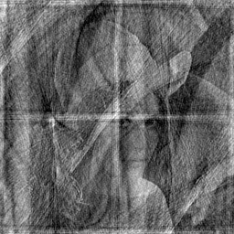
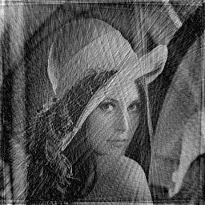
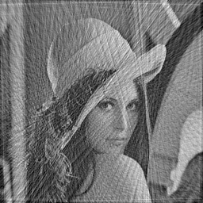


# Spokes = 128 | # Spokes = 128 | # Spokes = 128 | # Spokes = 128 | # Spokes = 128
# Samples Per Spoke = 32 | # Samples Per Spoke = 64 | # Samples Per Spoke =128 | # Samples Per Spoke = 256 | # Samples Per Spoke = 512

 |  | 512x512

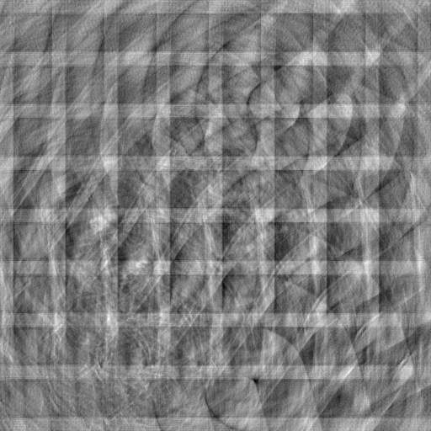
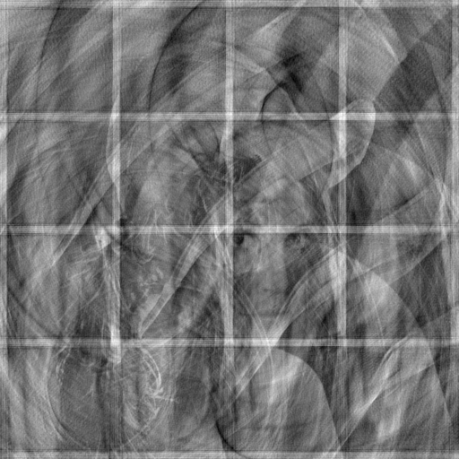
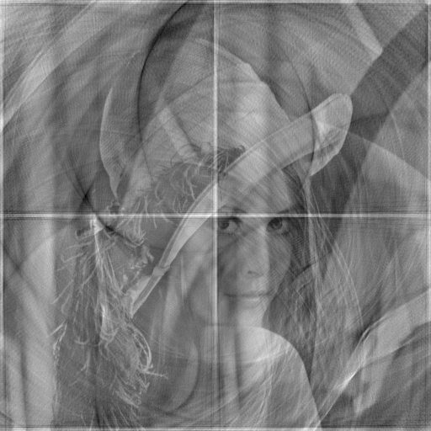
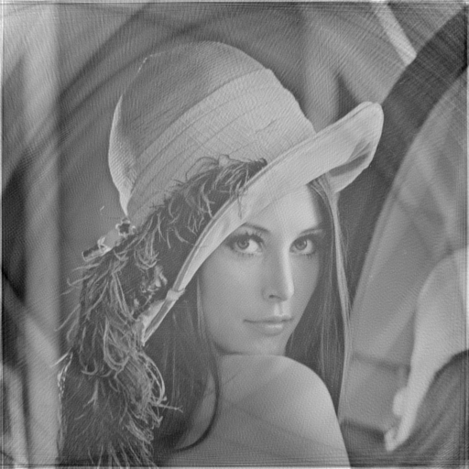
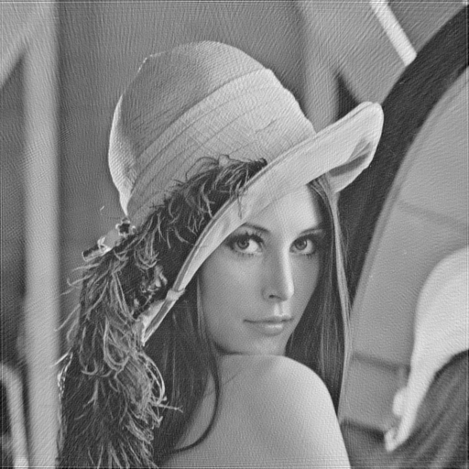

# Spokes = 512 | # Spokes = 512 | # Spokes = 512 | # Spokes = 512 | # Spokes = 512
# Samples Per Spoke = 32 | # Samples Per Spoke = 64 | # Samples Per Spoke = 128 | # Samples Per Spoke = 256 | # Samples Per Spoke = 512

